Question 5
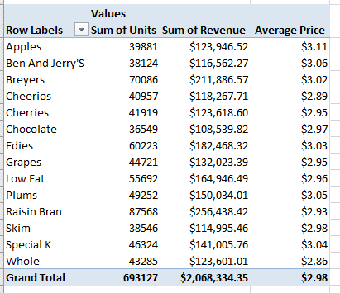
Row Labels | Sum of Units | Sum of Revenue | Average Price
Apples | 39881 | $123,946.52 | $3.11
Ben And Jerry'S | 38124 | $116,562.27 | $3.06
Breyers | 70086 | $211,886.57 | $3.02
Cheerios | 40957 | $118,267.71 | $2.89
Cherries | 41919 | $123,618.60 | $2.95
Chocolate | 36549 | $108,539.82 | $2.97
Edies | 60223 | $182,468.32 | $3.03
Grapes | 44721 | $132,023.39 | $2.95
Low Fat | 55692 | $164,946.49 | $2.96
Plums | 49252 | $150,034.01 | $3.05
Raisin Bran | 87568 | $256,438.42 | $2.93
Skim | 38546 | $114,995.46 | $2.98
Special K | 46324 | $141,005.76 | $3.04
Whole | 43285 | $123,601.01 | $2.86
Grand Total | 693127 | $2,068,334.35 | $2.98

Question 6
Year | (Multiple Items)

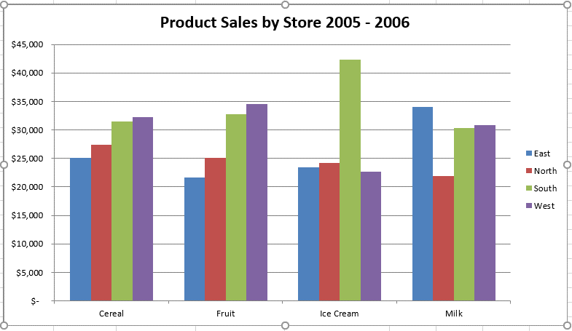
Sum of Revenue | Column Labels
Row Labels | East | North | South | West | Grand Total
Cereal | 68570.85 | 84730.57 | 90795.04 | 98786.47 | 342882.93
Fruit | 63614.83 | 74747.43 | 98947.23 | 102696.76 | 340006.25
Ice Cream | 75882.37 | 75073.77 | 128297.93 | 62335.56 | 341589.63
Milk | 98544.39 | 64797.22 | 88315.09 | 89803.02 | 341459.72
Grand Total | 306612.44 | 299348.99 | 406355.29 | 353621.81 | 1365938.53

